Sheet1
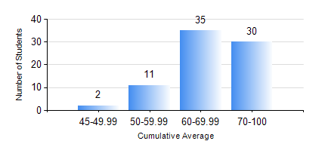
 |  |  | KWAME NKRUMAH UNIVERSITY OF SCIENCE AND TECHNOLOGY, KUMASI Department of Petroleum Engineering

 |  |  | BSC. PETROLEUM ENG.

 |  |  | COMPREHENSIVE RECORD OF EXAMINATION RESULTS

 |  |  | RESULTS OF YEAR 3 FIRST SEMESTER, 2018/2019 ACADEMIC YEAR

 | Sn | Course Code |  | Course Name | Credit Hours | Min. Mark | Max. Mark | Avg. Mark | Std. Dev. | No. Passed | No. Trailed | No. (Df) | No. (I) | No. (I*) | No. Tagged(I,I*,Df) | Total
 | 0. |  |  |  |  |  |  | 0 | 0 | 0 | 0 | 0 | 0 | 0 | 0 | 2
 | 1. | CHE 357 |  | EXPERIMENTAL DATA ANALYSIS | 3 | 40 | 90 | 72 | 9.89 | 76 | 0 | 0 | 0 | 0 | 0 | 76
 | 2. | GE 183 |  | PRINCIPLES OF LAND SURVEYING | 3 | 36 | 89 | 63 | 10.83 | 75 | 1 | 0 | 0 | 0 | 0 | 76
 | 3. | PETE 353 |  | FORMATION EVALUATION | 2 | 40 | 92 | 66 | 11.07 | 76 | 0 | 0 | 0 | 0 | 0 | 76
 | 4. | PETE 357 |  | RESERVOIR PETROPHYSICS | 3 | 41 | 92 | 69 | 11.63 | 76 | 0 | 0 | 0 | 0 | 0 | 76
 | 5. | PETE 359 |  | RESERVOIR ENGINEERING | 3 | 55 | 95 | 76 | 10.79 | 76 | 0 | 0 | 0 | 0 | 0 | 76
 | 6. | PETE 371 |  | INDUSTRIAL SAFETY AND ENVIRONMENTAL PROTECTION | 2 | 60 | 84 | 73 | 5.46 | 76 | 0 | 0 | 0 | 0 | 0 | 76
 | 7. | PETE 375 |  | PETROLEUM ENGINEERING LABORATORY I | 2 | 42 | 78 | 62 | 9.63 | 76 | 0 | 0 | 0 | 0 | 0 | 76

